1. Title Page
CareerFoundry DA Immersion Achievement 4 Final Deliverable

Project Name: UNDERSTANDING THE INSTACART CUSTOMER
Date: 15 January 2024
Analyst Name: Jeremy Obach

Contents:
Population Flow
Consistency checks
Wrangling steps
Column derivations
Visualizations
Recommendations

Citations
“The Instacart Online Grocery Shopping Dataset 2017”, Accessed from www.instacart.com/datasets/grocery-shopping-2017 via Kaggle on December 3rd 2023.
Dimock, M. (2019, January 17). Defining generations: Where millennials end and generation Z begins. Pew Research Center. https://www.pewresearch.org/short-reads/2019/01/17/where-millennials-end-and-generation-z-begins/
Note: Customer dataset, in addition to prices in the orders and products dataset, were fabricated for learning purposes. All other dataset made publicly available by Instacart.

2. Population Flow
 |  | Title page

Population flow

Exclusion flag
Condition: max_order < 5
Obervations to be removed: 1440295
Final total count of order_products_all: 30964564

Orders_products_active

Orders_products_combined
Orders_products_merged
Orders_products_all
 |  |  | Total: 30964564 x 35

Total:
Total:
Total: 32404859 x 27
Removed user_id's with < 5 orders, per CFO request
32434489 x 11 | 32404859 x 23

1.) The grey boxes in the first row of the population flow represent the original data sets as they were when you downloaded them. In the Total fields you need to add the count of the rows when you imported the data set into Jupyter.
2.) The second row of boxes (coloured) represents the data sets after you manipulated them, e.g., removed missing values and duplicates. In the Total fields you need to add the count of the rows after conducting these operations. This offers a visual oveview of how the data flows throughout the data consistency checks.
3.) The third row, where also the arrows are coloured, represents the merges you performed between the datasets. In the Total fields you need to add the count of the rows in the merged datasets, so that you end up with the final dataset (in the red box). Keep in mind the final dataset should be without exclusions (based on the exclusion flag).

3. Consistency checks
 |  |  |  | Title page
Consistency checks

Dataset | Missing values | Missing values treatment | Duplicates
orders | days_since_prior_order' | Made 'first_order' variable | none
products | product_name'/ 16 | omitted | 5 entries. Ommited
orders_products_prior | none | n/a | none
customers | none | n/a | none
ords_prods_merge | not missing but: 99,999 and 14,900 price values ommitted as outliers.
ords_prods_all | 'days since prior order' | Used python crosstab to confirm uniformity in prior orders for 1st orders.

4. Wrangling steps
 |  |  |  | Title page
Wrangling steps

Columns dropped | Columns renamed | Columns' type changed | Comment/Reason
['_merge'] |  |  | Was to check status of merge, not necessary for analysis.
 | ['order_hour_of_day'] to ['orders_hour_of_day'] |  | Name uniformity
 | orders_dow to orders_day_of_week |  | Name clarity
user_id (customers) |  | changed to str | Not truly a number, used to identify customer
first name/ surnam (customers) |  |  | Non-essential for analysis. Customers identifyiable by user_id - security risk.
['max_order'] |  |  | Used to derive ['loyalty_flag']
['avg_prod_price'] |  |  | Used to derive ['spending_type']
['ordering_behavior'] |  |  | Used to derive [frequency_flag']

5. Column derivations
 |  |  |  | Title page

Column derivations and aggregations

In this tab you should add tables below that the frequences of flags/label variables that you produced after deriving them. NB: don't do this for continuous variables, only for flags.
Dataset | New column | Column/s it was derived from | Conditions
orders (4.5) | ['first_order'] | ['days_since_prior_order'] | isnull() == True
ords_prods_merge (4.7) | ['price_range'] | ['prices'] | <=5/<5&<=15/>15
ords_prods_merge (4.7) | ['busiest_days'] | ['orders_day_of_week'] | if in[0,1] elif [4,3] else…
ords_prods_merge (4.7) | ['busiest_period_of_day'] | ['orders_hour_of_day'] | value in [10-15], elif [0-5], else…
ords_prods_merge (4.8) | ['loyalty_flag'] | ['max_order'] | >40/<=40&>10/<=10
ords_prods_merge (4.8) | ['spending_type'] | ['average_product_price'] | <10/>=10
ords_prods_merge (4.8) | ['frequency_flag'] | ['ordering_behavior'] | >20, >10&<=20, <=10
ords_prods_active (4.10) | ['Region'] | ['STATE'] | isin(); according to Census.
ords_prods_all (4.10) | ['max_order'] | ['order_number'], ['user_id'] | max order # by user_id
ords_prods_all (4.10) | ['low_activity'] | ['user_id'], ['max_order'] | max_order < 5
ords_prods_active (4.10) | ['generation'] | ['Age'], ['user_id'] | Based on Pew Reseach Center age ranges.
ords_prods_active (4.10) | ['customer_profile'] | Various, see below | Various, see below
ords_prods_active (4.10) | ['mean_order_hour'] | ['user_id'], [orders_hour_of_day] | mean of order hours by user_id.*
ords_prods_active (4.10) | ['favorite_department'] | ['user_id'], [department_id] | most frequent product department by user_id
ords_prods_active (4.10) | ['LTV'] or LifeTime Value | [user_id'], ['Prices'] | sum of prices per user_id
 |  |  | *mode might have been more appropriate, couldn't figure out how to integrate it within what we learned so far.

Customer Profiles
Name | Condition 1 | Condition 2
Young Parent | > 0 ['n_depenants'] | Age <= 35
DivWid | fam_status = divorced or widowed
Drizly | ['favorite_department'].isin[5,7]
Whale | Income > 100000 | LTV' > 10000
Nightowl | ['mean_order_hour'].isin(19,20,21,22,23,0,1,2,3,45)

6. Visualizations
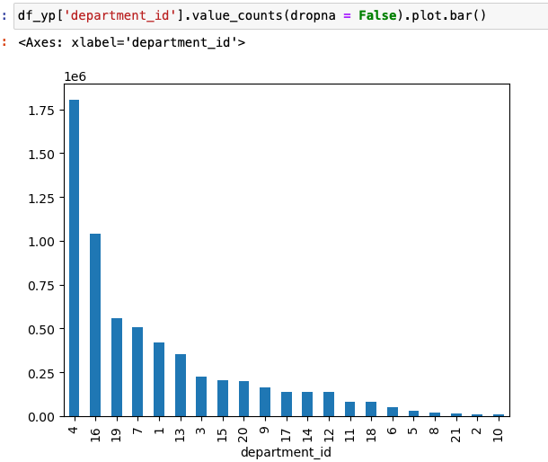
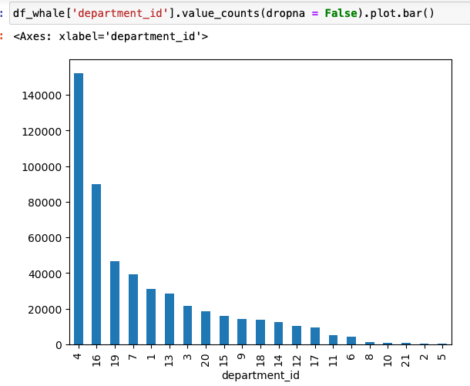
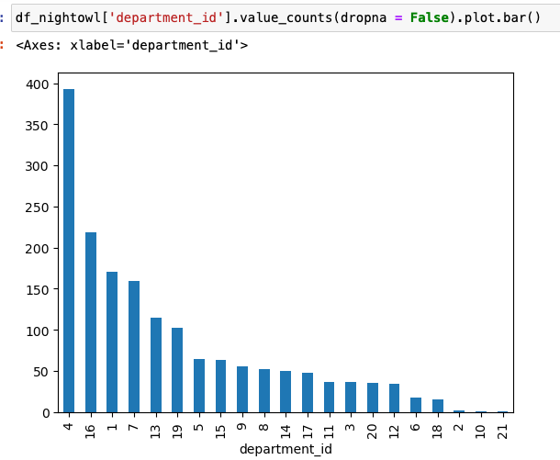
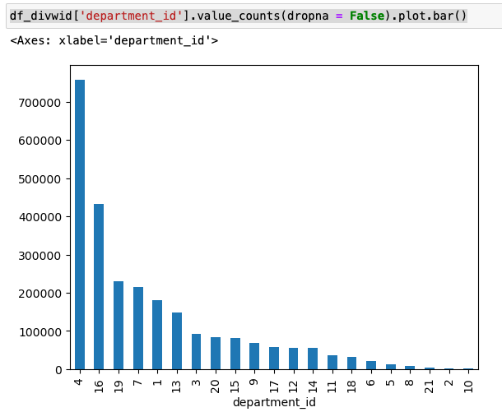
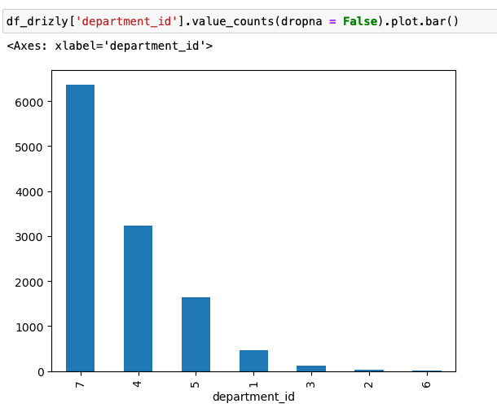
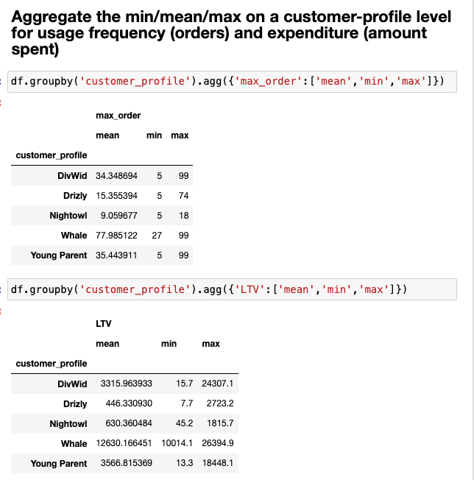
 |  |  |  |  | Title page
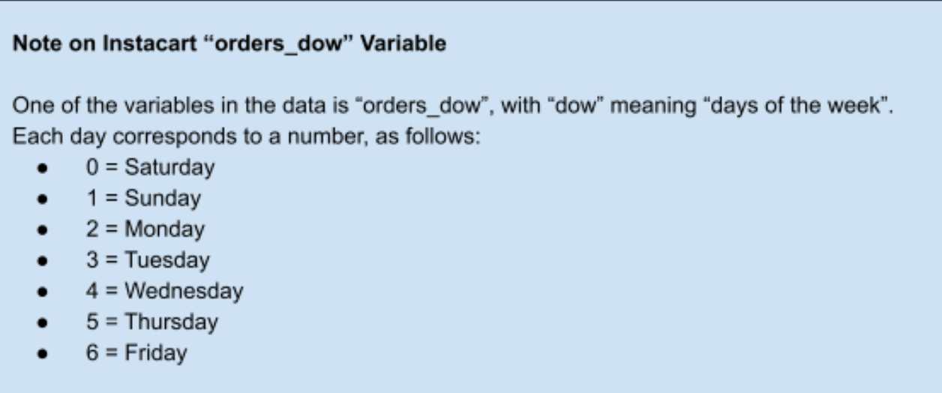
Visualisations

In this tab you should include all the visualtions from Exercises 4.9 and 4.10, alongside the questions from the project brief that they answer. Include any commentary on the relationship between different variables.

What are the busiest days of the week and hours of the day are (i.e., the days and times with the most orders) ?
 | Busiest Days of Week: Saturday (01), Sunday (02), Friday (06) | Busiest Times of day - 10am thru 3pm
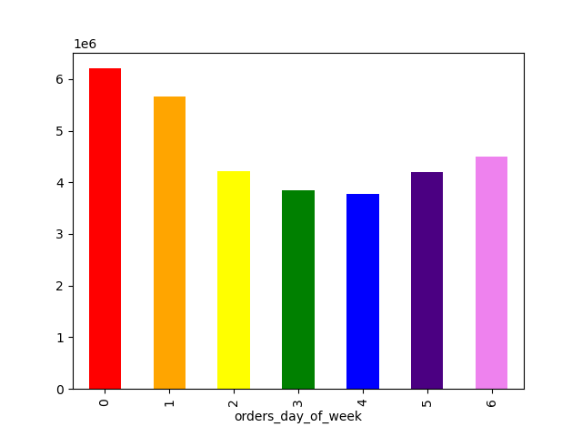


Histogram distribution of item prices: Majority of prices vetween 1 and 15 dollars. |  | Avg item price by time of day. 3 am spike coincides with lowest order volume (see above).

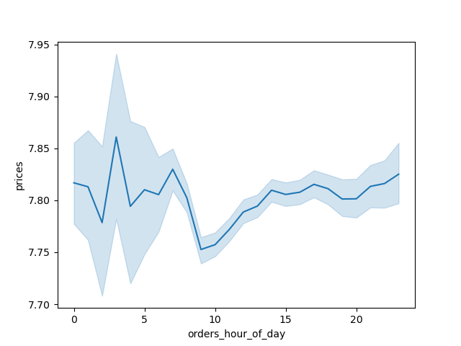

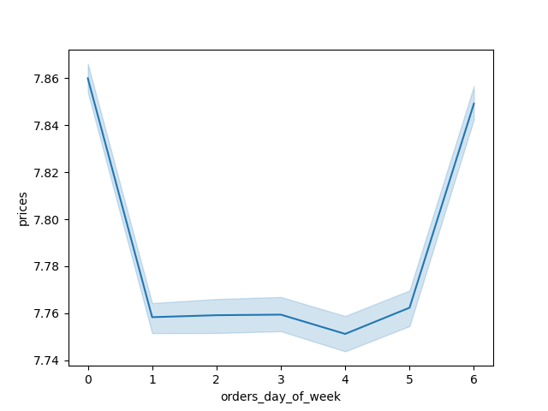
Prices column across the days of the week (using sampling). Highest spending on Friday and Saturday. |  | Regular customers make ~50% of orders, loyal customers ~30% and new customers ~20%. |  |  |  | NOTE: "loyal", >40 orders, regular between 10 and 40 orders, new customers 10 or fewer orders
 |  |  | X axis - order distribution

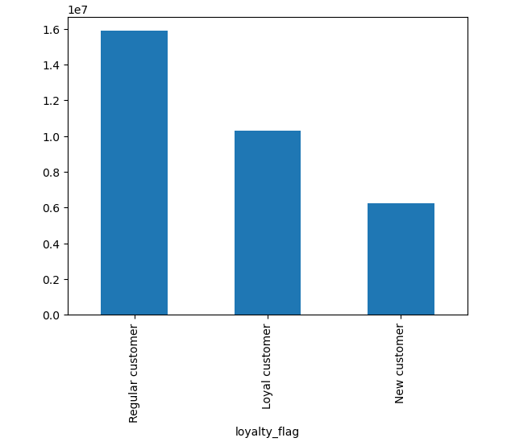

Number of dependants by age |  |  | Income distribution by age

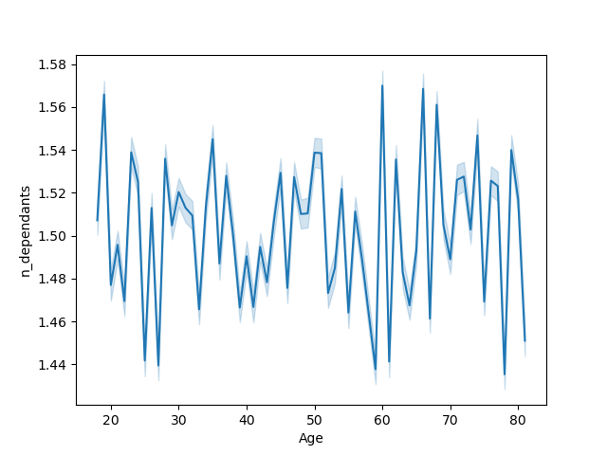

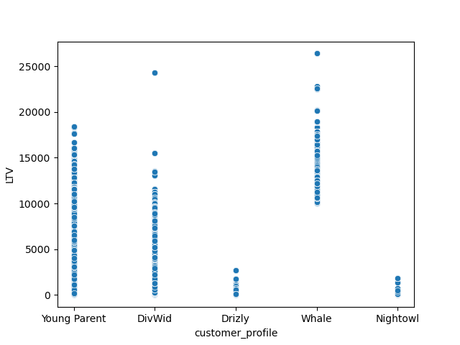
 |  |  | Lifetime value by customer profile. Young Parents and Divorced/Widowed a major factor customer demographic.
 | Customer count by generation. Boomers lead, followed by Gen X and Millennials.
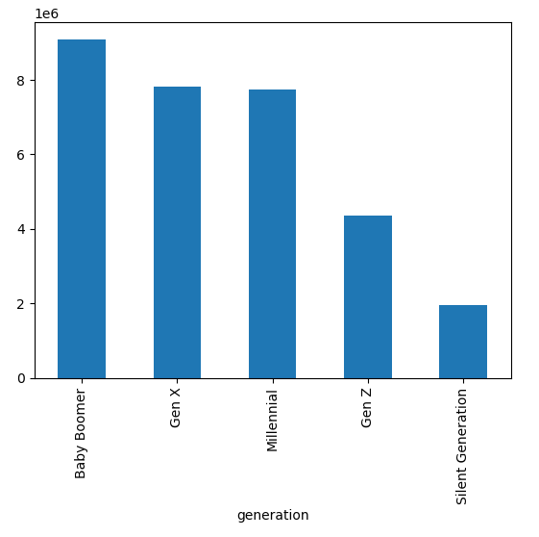

 | Department category by order #'s. Produce leads by large margin, followed by dairy/eggs and snacks. |  |  | Mid-range products, between 5 and 15 dollars, dominated. Low-range products <5 followed, and finally high range products, over >15.
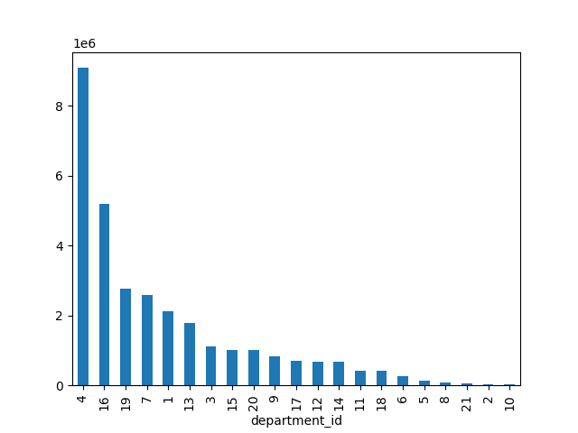

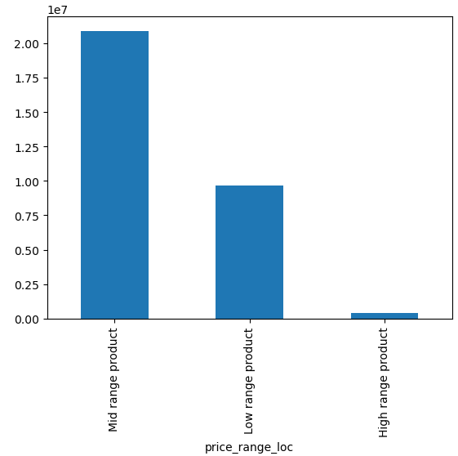

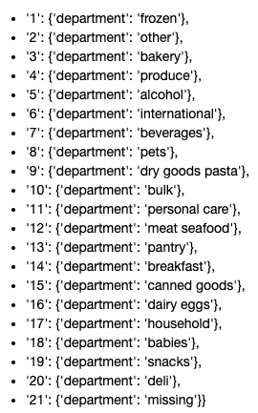

Ordering Frequency by US Region:
Seemingly identical ratios across the regions. Most customers are frequent customers (or at least most orders come from frequent customers, I have it value counting by user_id but presumably every user_id would be linked to an order…).

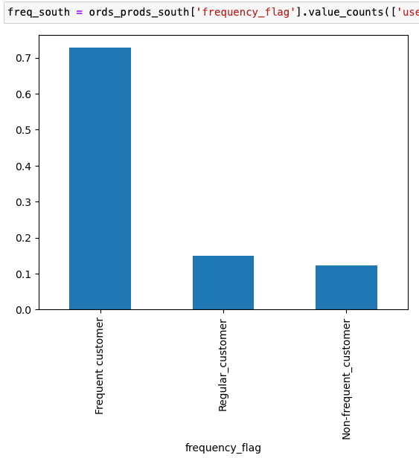


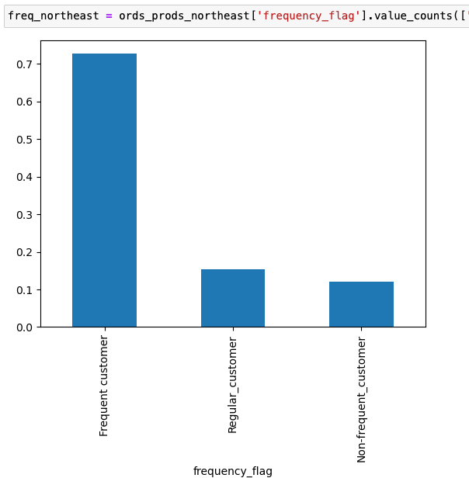

Product department popularity by Region:
Despite the difference in total volumes across regions, the same top 5 categories appear in the same order as the national data: Produce, dairy/eggs, snacks, beverages, and frozen items.

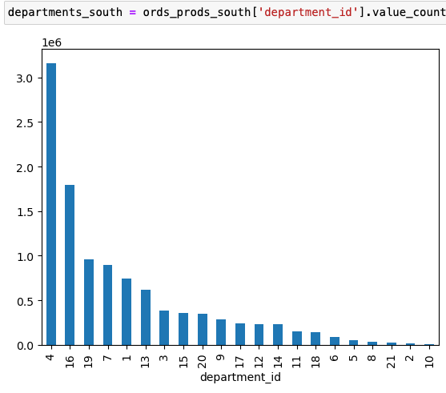


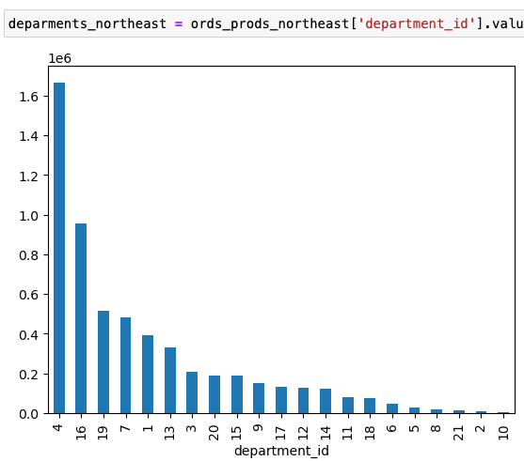

Product department popularity by Customer Profile:
With the exception of Drizly, the customer profiles were very aligned with the overall and regional profiles in regards to product department popularity, with some slight variations on the margins, i.e. Frozen category was 3rd for nightowl, as opposed to 5th in most data cross-sections.

7. Recommendations
 |  |  |  |  | Title page

Recommendations

 | Question | Answer |  | Commentary
1 | What are the busiest Days of the Week and Hours of the Day - in order to schedule ads at times when there are fewer orders? | Busiest Days of the Week | Busiest Hours of Day | Weekends and midday being the busiest times for orders, we should schedule ads during weeknights.
2 | Are there particular times of day when people spend the most money? | Hours of Day by Average Item Price |  | Though 3 AM shows the highest item price, it also coincides with the lowest order volume. Conversly, the highest order volume at 10 AM is nearly the lowest item price. Around 2PM, the average item price is high AND there is a relatively high order volume - therefore it could be the best time to advertise high ticket items.
3 | Marketing and Sales want to use simpler price range groupings to help direct their efforts. | Item Price Distribution | Orders by price-range | For simplicity, we've grouped items into low price (<$5), mid-range ($5-15) and high price items (15+). Mid-range items lead in order volume and item price volume.
4 | Which department has the highest frequency of product orders? Certain types of products more popular than others? | Product orders by department |  | Produce leads by large margin, followed by dairy/eggs and snacks. Beverages and frozen items round out the top 5.
5 | What's the distribution among users in regards to brand loyalty? | Brand loyalty distribution |  | Loyal users (>40 orders) account for ~30% of orders, regular customers (between 10 and 40 orders) account for about half of all orders, whereas new customers (10 or fewer orders) make up ~20 of all ordes. NOTE: difference between loyalty and frequency flag. See column derivations tab.
6 | Differences in ordering habits based on customer's region? | Frequency distribution by region |  | At least in regards to ordering frequency (frequent customers had 10 or fewer days between orders), there was almost no difference in breakdown between the 4 US regions (Northeast, Midwest, South, and West). Most orders are placed by users who order near weekly, across every region.
6a | Differences in ordering habits based on customer's region? Or Lackthereof | Department distribution by region |  | Looking at orders by department_id, the regions had different volumes but nearly identical ratios. The same 5 categories as the national data, with the same order and proportion following the top 5. This is likely a training-ism as the customer data was fabricated for learning purposes.
7 | How much of a factor are certain customer profiles based on LTV? | Customer profiles by LTV |  | Young parents and divorced/widows make up a large spectrum of LTV values, whereas Drizlys and Night owls did not. Whale's were tailored by income and LTV so no surprise they made up high LTV's. Could drill into what departments they were buying on later analyses.
8 | What is the generational breakdown of Instacart's customer-base? | Customers by generation |  | Surprisingly high numbers for the Baby Boomer generation, who led all customers, followed by millenials and Gen Z.

 | Final Recommendations:
 | Advertising to bolster orders at non-peak days and hours , particularly weekday evenings.
 | Implement loyalty program to convert more users from regulars to loyal.
 | Increase advertising and selection for the top 5 department category items.
 | Develop targeted advertising, especially toward Divorced/Widows and young parents.
 | Frequency bonuses/ reorder incentives to increase order frequency.

